Bug Reports
Defect_ID | Defect Title/Issue | Pre-condition | Test Data | (Test-Steps)procedures | Expected Result | Actual Result | Attachment | Priority | Probability | Severity | Bug Type | Categorization | Test case ID/Exploratory Session | Defect Status | Req ID | Created by
BUG-PD-01 | Full Name accepts less than 3 characters | User on Passenger Details page | Name = “ab” | 1- Enter “ab” in Full Name field 2- Submit form | Error message should appear for invalid minimum length | System accepts name with less than 3 characters without validation message |  | High | High | Major | Functional |  | TC-PassangerDetails-07 | Closed | PD-09 | Abdelrahman Khaled
BUG-PD-02 | Full Name accepts more than 30 characters | User on Passenger Details page | Name > 30 chars | 1- Enter long name exceeding 30 chars 2- Submit form | Error message should appear for invalid maximum length | System accepts name longer than allowed limit |  | High | Medium | Major | Functional |  | TC-PassangerDetails-08 | Closed | PD-09 | Abdelrahman Khaled
BUG-PD-03 | Date of Birth field accepts future dates | User on Passenger Details page | Future DOB | 1- Enter future date in DOB field 2- Submit form | Error message should appear preventing future DOB | System accepts future date without validation |  | High | High | Critical | Functional |  | TC-PassangerDetails-11 | Closed | PD-12 | Abdelrahman Khaled
BUG-PAY-01 | Cardholder Name field is missing on Payment page | User on Payment page | Valid payment data | 1- Enter valid card details 2- Click Pay & Confirm | Payment should process successfully | Payment process fails or no success confirmation displayed |  | Critical | High | Critical | Functional |  | TC-Payment-01 | Closed | PAY-01 | Abdelrahman Khaled
BUG-UM-01 | Pagination is not functioning on the User Management page | Admin in user management page | Existing multi-page users | 1- Open User Management page 2- Navigate between pages | User list should update correctly per page | Pagination buttons do not appear |  | Medium | Medium | Major | Functional |  | TC-UserManagement-02 | Closed | UM-03 | Abdelrahman Khaled
BUG-BH-01 | Pagination is not functioning on the Booking History page | Admin in bookin history page | Existing bookings | 1- Open Booking History page 2- Navigate pages | Booking list should update correctly for each page | Booking list does not refresh correctly during pagination |  | Medium | Medium | Major | Functional |  | TC-BookingHistory-02 | Closed | BH-02 | Abdelrahman Khaled
BUG-UR-01 | Password field fails to recognize underscore '_' as a special character causing a false error. | User is already on registration page | First name: Ahmed Last name: Zahran email: ahmed@gmail.com password: Ahmed_1234 cofirm password: Ahmed_1234 | 1-Enter first name in First name field 2-Enter last name in Last name field 3-Enter email in Email field 4-Enter password in password field 5-Enter confirm password in Confirm password field 6-Click on Create account button | User should successfully be redirected to Login page | Underscore '_' is not recognized as a special character so error for password shows "password should have one small letter,one capital letter,one number and one special character" preventing registration |  | Medium | High | Medium | Functional |  | TC_Registration_001 | Closed | UR-09 | Ahmed Zahran
BUG-MB-01 | Destination field is not prefilled with desired destination when user clicks on Book Again button for any past booking | User is already on My Bookings page |  | 1-Navigate to any previous booking in past bookings section 2-Click on Book Again button | User should be redirected to Find Flights page and Destination field should be prefilled with selected destination |  | User is correctly redirected to Find Flights page but Destination field is not prefilled with selected destination from My Bookings page | Medium | High | Medium | Functional |  | TC-MyBookings_01 | Closed | MB-01 | Ahmed Zahran
BUG-HP-01 | The user is redirected to the "Gallery" instead of "My Bookings" Page when a user isn't logged in and clicks on My Bookings in the nav bar then he sucessfully logs in but after login he is redirected to home/gallery not the My Bookings Page. | The User is not logged in and is on the Home(Gallery) Page | email:alol1922002@gmail.com pass:alol1922002@gmail.comA | 1- The User Clicks on the "My Bookings" Button in the navigation bar 2- the user logs in using login data | 1- The user is redirected to the "My Bookings" Page to show previous bookings after successful login | The user is redirected to the "Gallery" instead of the "My Bookings" page. |  | Low | High | Low | Functional |  | TC_HomePage_03 | Rejected | HP-02 | Alaa
BUG-HP-02 | Broken picture for Luxor for Egypt | The User is on the Home(Gallery) Page | N/A | 1-Navigate to URL 2-Click on Egypt 3-Click on navigation button for carousel to find luxor | A picture that resembles Luxor is found | Luxor's image is broken | 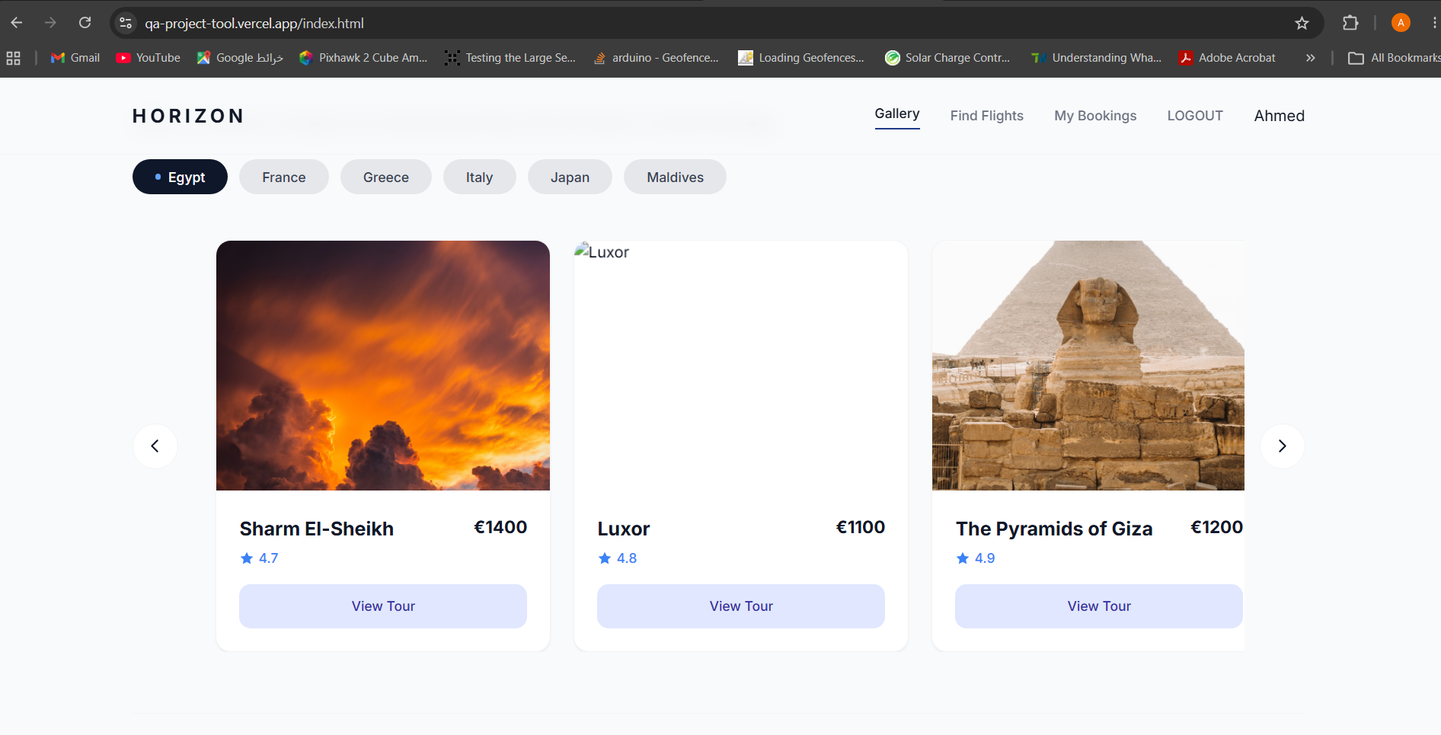 | Low | High | Low | UI |  | SES_001 | Closed | HP-08 | Ahmed Zahran
BUG-HP-03 | Broken picture for Florence for Italy | The User is on the Home(Gallery) Page | N/A | 1-Navigate to URL 2-Click on Italy 3-Click on navigation button for carousel to find Florence | A picture that resembles Florence is found | Florence's image is broken | 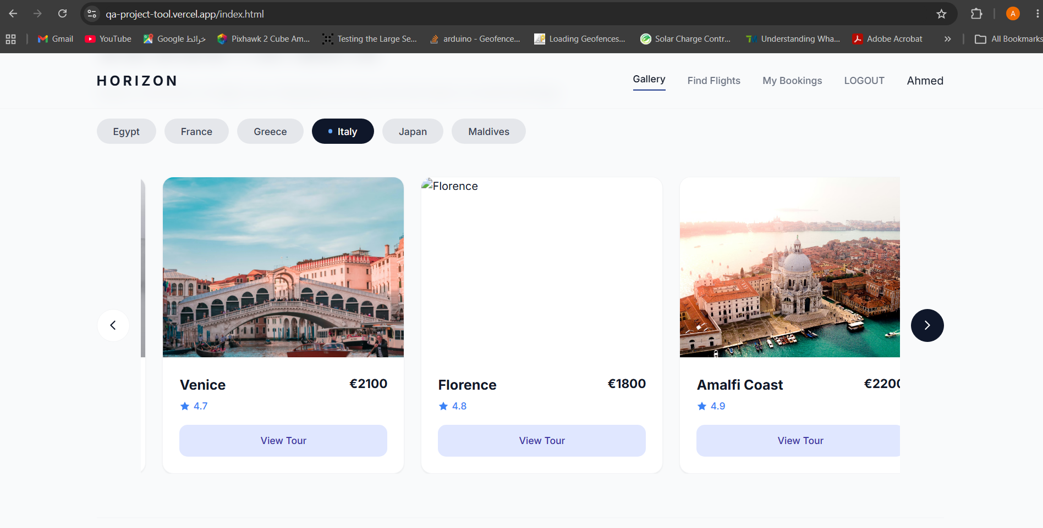 | Low | High | Low | UI |  | SES_001 | Closed | HP-06 | Ahmed Zahran
BUG-HP-04 | Broken picture for Horishima for Japan | The User is on the Home(Gallery) Page | N/A | 1-Navigate to URL 2-Click on Japan 3-Click on navigation button for carousel to find Hiroshima | A picture that resembles Hiroshima is found | Hiroshima image is broken | 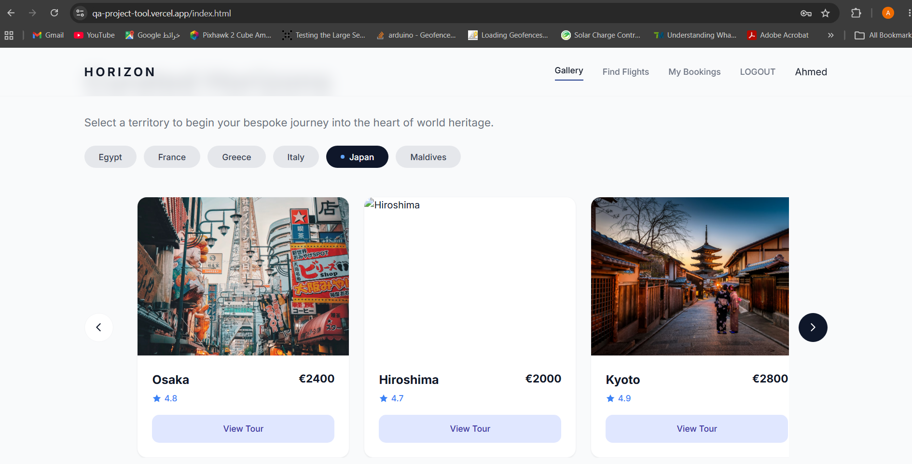 | Low | High | Low | UI |  | SES_001 | Closed | HP-09 | Ahmed Zahran
BUG-HP-05 | The System should scroll to display different review cards when clicking the right/left arrows, but nothing happens | The User is on the Home(Gallery) Page | N/A | 1- The User Clicks on right/left arrow Button on the right of the review cards' list. | 1- left/right scrolling of reviews occurs showing more reviews. | no thing happens, reviews are fixed |  | Low | High | Low | Functional |  | TC_HomePage_15, TC_HomePage_16 | Closed | HP-13 | Alaa
BUG-HP-06 | Maldives which is not a country requirement is found on gallery page | The User is on the Home(Gallery) Page | N/A | 1- The user is already on Gallery page through URL | Only countries: Egypt, France, Greece, Italy , Japan are located in the page | Another country "Maldives" is found on the page | 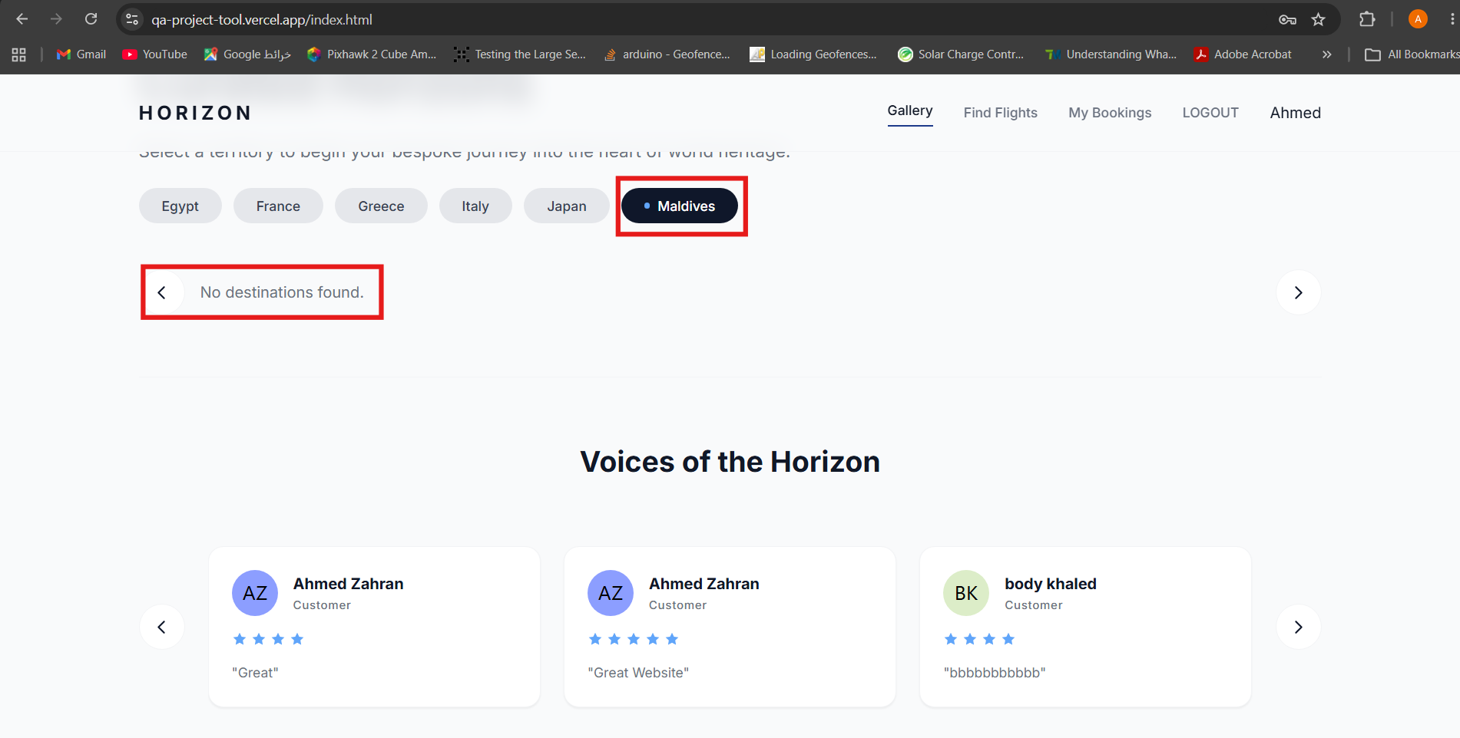 | Low | High | Low | Functional |  | SES_001 | Closed | Not a requirement | Ahmed Zahran
BUG-DD-01 | Broken pictures for top places in Destination Details page for all of the cities however refreshing the page several times solves the problem | The User is on the Home(Gallery) Page | N/A | 1-Click on View Tour button for Aswan 2-Refresh Destination Details page several time | Page should maintain pictures correctly after refreshing page | Pictures randomly become broken after several refreshes and are shown correctly if broken when firstly landing on page after several refreshes | Video: https://drive.google.com/file/d/1-4L994xapqARVuCNMhnnomRpbJaGgc4X/view?usp=sharing | Medium | High | Low | Functional |  | SES_002 | Closed | UI requirement | Ahmed Zahran
BUG-FS-01 | Departure date can be set by keyboard to an invalid date (ex: a date before the current date) and no error message is shown. | The User is on the Flight Search Page | N/A | 1-Click on Flight Search in the navigation bar 2-try to insert an invalid date in the past | system should show an error message | 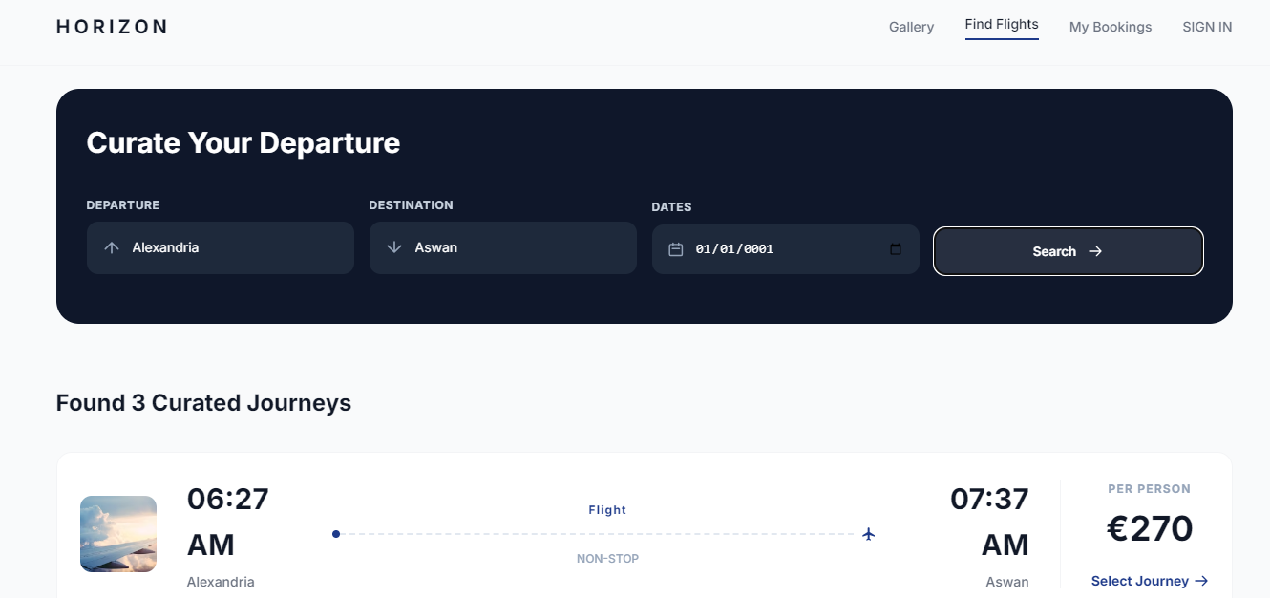 system accept it and even show results! |  | Medium | High | High | Functional |  | SES_002 | Reopened | FS-04 | Alaa
BUG-PD-04 | DATE OF BIRTH can be later than 2008, implying that the age may be less than 18 which isn't permitted. | 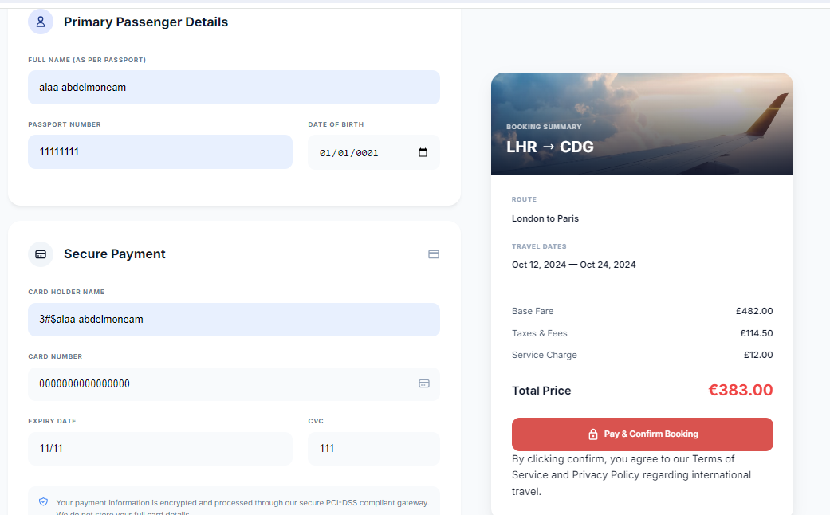 The User is on the payment page | N/A | 1-enter the test data in the image 2-click Pay & Confirm Booking | system should not allow user to enter using keyboard | system accepts inputs from the keyboard |  | Medium | High | High | Functional |  | SES_002 | Closed | PD-13 | Ahmed Zahran
BUG-PAY-05 | whenever you choose a flight, in the BOOKING & PAYMENT. ROUTE is always "London to Paris" in the booking summary on the right side. | The User is on the payment page | N/A | 1-enter the test data in the image 2-click Pay & Confirm Booking | route is chose according to the chosen "from" and "to" Destinations | Always route is "London to Paris" | 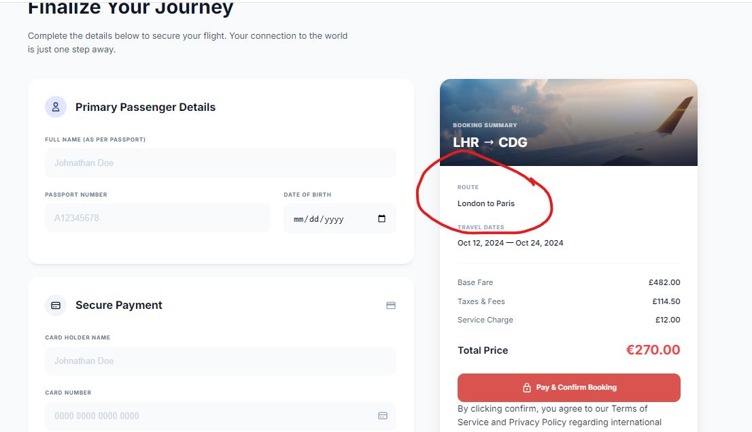 | Medium | High | High | UI |  | SES_002 | Closed | UI requirement | Ahmed Zahran

 |  |  |  |  |  |  | 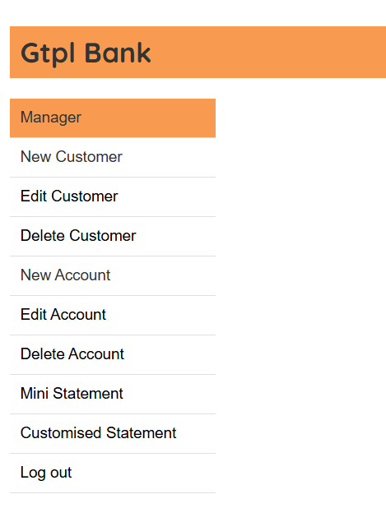

 |  |  |  |  |  |  | 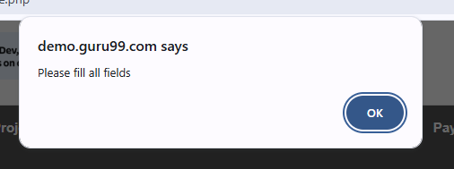
 |  |  |  |  |  |  | 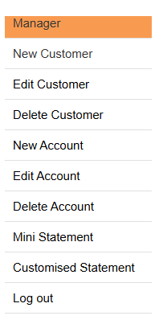

 |  |  |  |  |  | 